Indices

 | Iraq Stock Exchange
 | Bulletin No (214)

 | ISX Trading Indices of Sunday 30/11/2025

 | Traded Volume and OTC |  | 156,143,499 |  | Traded Value and OTC |  | 417,552,585 |  | Traders | 770
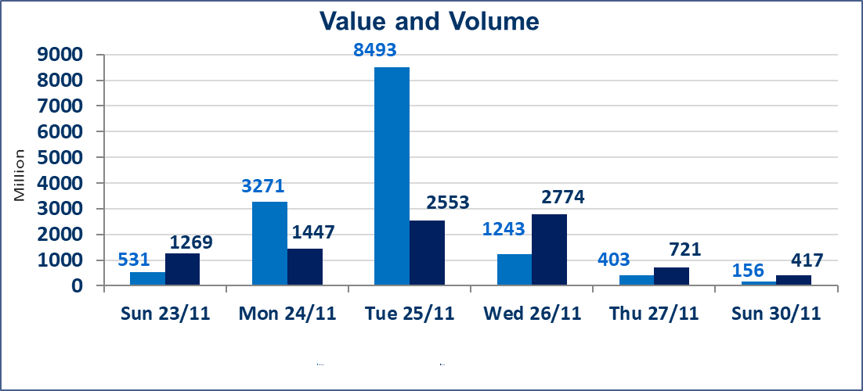
 | ISX Index 60 |  |  | 955.37 | ISX Index 15 |  |  | 1183.33
 | Previous ISX Index60 |  |  | 952.03 | Previous ISX Index15 |  |  | 1177.62
 | Change % |  |  | 0.35 | Change % |  |  | 0.48
 | Change |  |  | 3.34 | Change |  |  | 5.71

 | Listed Companies | 104 | OTC | 11 | Non Traded listed | 41 | OTC | 9
 | Traded Listed Companies | 48 | OTC | 1 | Higher Companies |  |  | 9
 | GAM Companies |  |  | 5 | Lower Companies |  |  | 15
 | Suspended Companies |  |  | 10
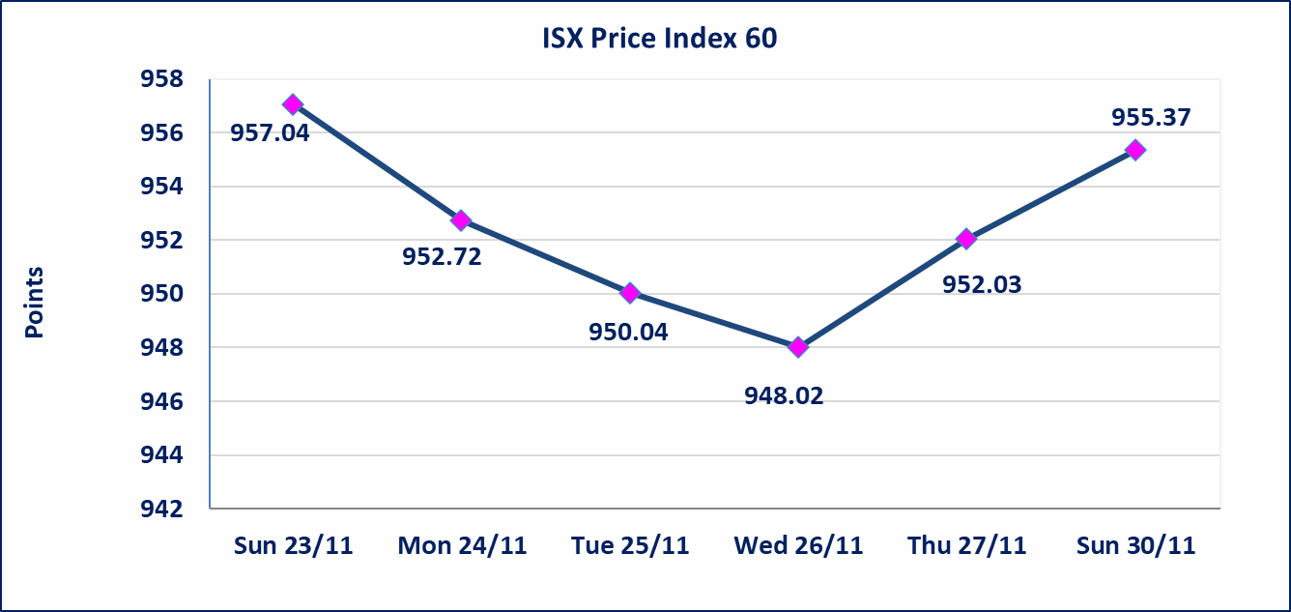
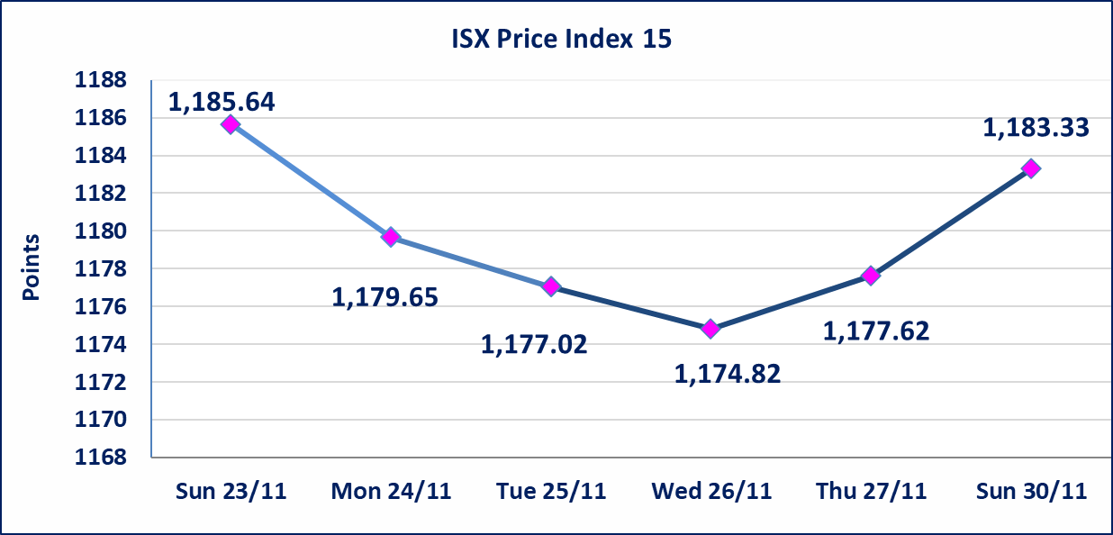

Al-Alwiya P.O . 3607 Mobile: 07711211522 - 07270094594 - 07834000034 E-mail: info-isx@isx-iq.net Web site:www.isx-iq.net

Top 5
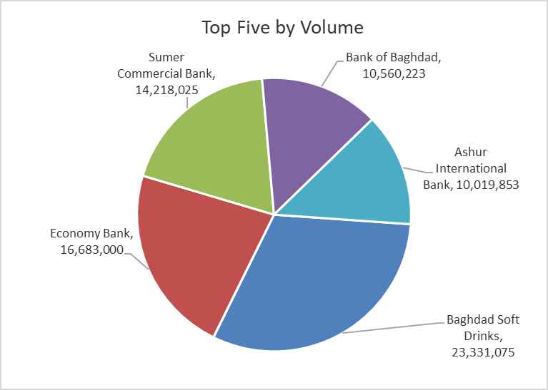
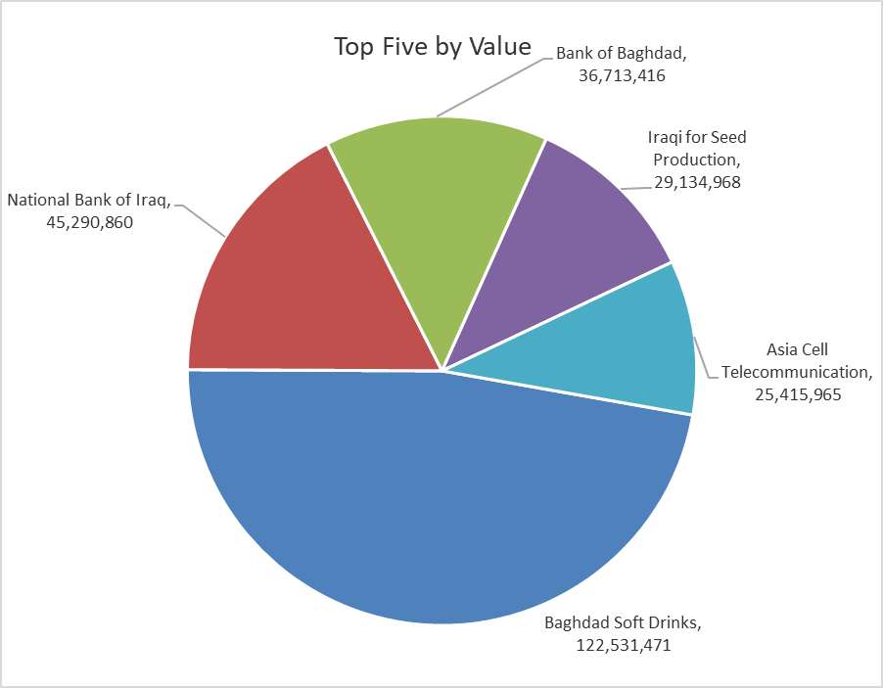
ISX top ganing and losing companies
Sunday 30/11/2025
Gainers |  |  |  | Losers
Company Name | Closing Price | Change (%) | Traded Volume | Company Name | Closing Price | Change (%) | Traded Volume
Al-Khatam Telecom | 3.560 | 14.84 | 1,096,814 | Middle East for Production- Fish | 6.450 | -13.42 | 678,500
Babil Animal & Vegetable Production | 14.260 | 12.73 | 754,030 | Al-Qabidh Islamic Bank | 0.130 | -7.14 | 1,500,000
Sumer Commercial Bank | 0.110 | 10.00 | 14,218,025 | Kharkh Tour Amuzement City | 4.400 | -5.38 | 500,000
Iraqi Carton Manufactories | 2.220 | 5.71 | 192,375 | Al -Khazer Construction Materials | 1.250 | -5.30 | 3,201,078
Al-Ameen for Insurance | 0.890 | 3.49 | 725,507 | National for Tourist Investment | 10.310 | -4.98 | 500,000

The most active companies in term of traded volume and value

Traded Volume |  |  |  | Traded Value
Company Name | Closing Price | Change (%) | Traded Volume | Company Name | Closing Price | Change (%) | Traded Value
Baghdad Soft Drinks | 5.300 | 1.92 | 23,331,075 | Baghdad Soft Drinks | 5.300 | 1.92 | 122,531,471
Economy Bank | 0.240 | 0.00 | 16,683,000 | National Bank of Iraq | 4.700 | 0.43 | 45,290,860
Sumer Commercial Bank | 0.110 | 10.00 | 14,218,025 | Bank of Baghdad | 3.470 | 0.00 | 36,713,416
Bank of Baghdad | 3.470 | 0.00 | 10,560,223 | Iraqi for Seed Production | 4.900 | -2.00 | 29,134,968
Ashur International Bank | 0.260 | 0.00 | 10,019,853 | Asia Cell Telecommunication | 13.000 | 0.78 | 25,415,965

OTC

Iraq Stock Exchange

Sunday 30/11/2025
OTC Platform Trading Bulletin No (214)
Company Name | Code | highest price | lowest price | Average price | No.of Trades | Traded Volume | Traded Value
Banks Sector
Al-Warka Bank | BWAI | 0.080 | 0.080 | 0.080 | 3 | 8,000,000 | 640,000
Total Of Banks Sector |  |  |  |  | 3 | 8,000,000 | 640,000
Total |  |  |  |  | 3 | 8,000,000 | 640,000

Not Trading OTC Companies
Company Name |  |  | Code |  | Previous Average price
Banks Sector
Al-Sanam Islamic Bank |  |  | BSAN |  | 3.000
Hammurabi Commercial Bank |  |  | BHAM |  | ـــــــــــــــــــــــــــــــــــ
Money Service Sector
Rabee Securities |  |  | FRSE |  | 9.500
Karmal Brokerage |  |  | FKSX |  | 10.000
Ishtar Gate for e-Paymant |  |  | FISH |  | 1.000
Sama Baghdad Exchange |  |  | FSBE |  | ـــــــــــــــــــــــــــــــــــ
Iraqi Deposit Insurance Corporation |  |  | FIDI |  | ـــــــــــــــــــــــــــــــــــ
Insurance Sector
Shatt Al Arab Insurance |  |  | NSHA |  | 1.000
Dilina Insurance Company |  |  | NDIL |  | ـــــــــــــــــــــــــــــــــــ

Non Iraqis

Iraq Stock Exchange
Non Iraqis' Bulletin Sunday Nov 30 2025
Regular Market

Non Iraqi Trading of Regular Market (Buy)
Company Names | Code | No.of trades | Traded Shares | Trading Volume
Banks Sector
National Bank Of Iraq | BNOI | 13 | 8,058,907 | 37,876,863
Al-Mansour Bank | BMNS | 2 | 500,300 | 995,597
Total Bank sector |  | 15 | 8,559,207 | 38,872,460
Hotel Sector
Mansour Hotel | HMAN | 1 | 60,000 | 2,190,000
Total Hotel Sector |  | 1 | 60,000 | 2,190,000
Grand Total |  | 16 | 8,619,207 | 41,062,460

Non Iraqi Trading of Regular Market (Sell)
Company Names | Code | No.of trades | Traded Shares | Trading Volume
Banks Sector
Al-Mansour Bank | BMNS | 11 | 5,000,000 | 9,950,000
Total Bank sector |  | 11 | 5,000,000 | 9,950,000
Industry Sector
Metallic Industries and Bicycles Industries | IMIB | 1 | 4,733 | 9,939
Total Industry sector |  | 1 | 4,733 | 9,939
Grand Total |  | 12 | 5,004,733 | 9,959,939

Non Iraqi Trading of Undisclosed Platform (Sell)
Company Names | Code | No.of trades | Traded Shares | Trading Volume
Industry Sector
Al -HiLal Industries | IHLI | 1 | 10,000 | 18,400
Total Industry sector |  | 1 | 10,000 | 18,400
Grand Total |  | 1 | 10,000 | 18,400

